Sheet1
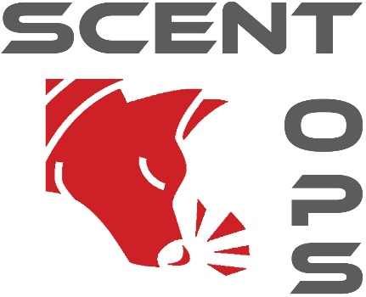
ScentOps Excellence and Skills Awards Form

This form is to apply for Excellence and Skills certifiactes at any level. Once completed please email to julesclapham@hotmail.com. There is a fee of £2 per certificate to include postage.
Paypal to berkshiredogtraining@hotmail.co.uk or contact for BACS.

Excellence Certificate
4 x placings at one level
Skills Certificate
3 x placings at one level in one skill

Date | Level | Place | Date | Level | Place | Skill

